Rating scorecard
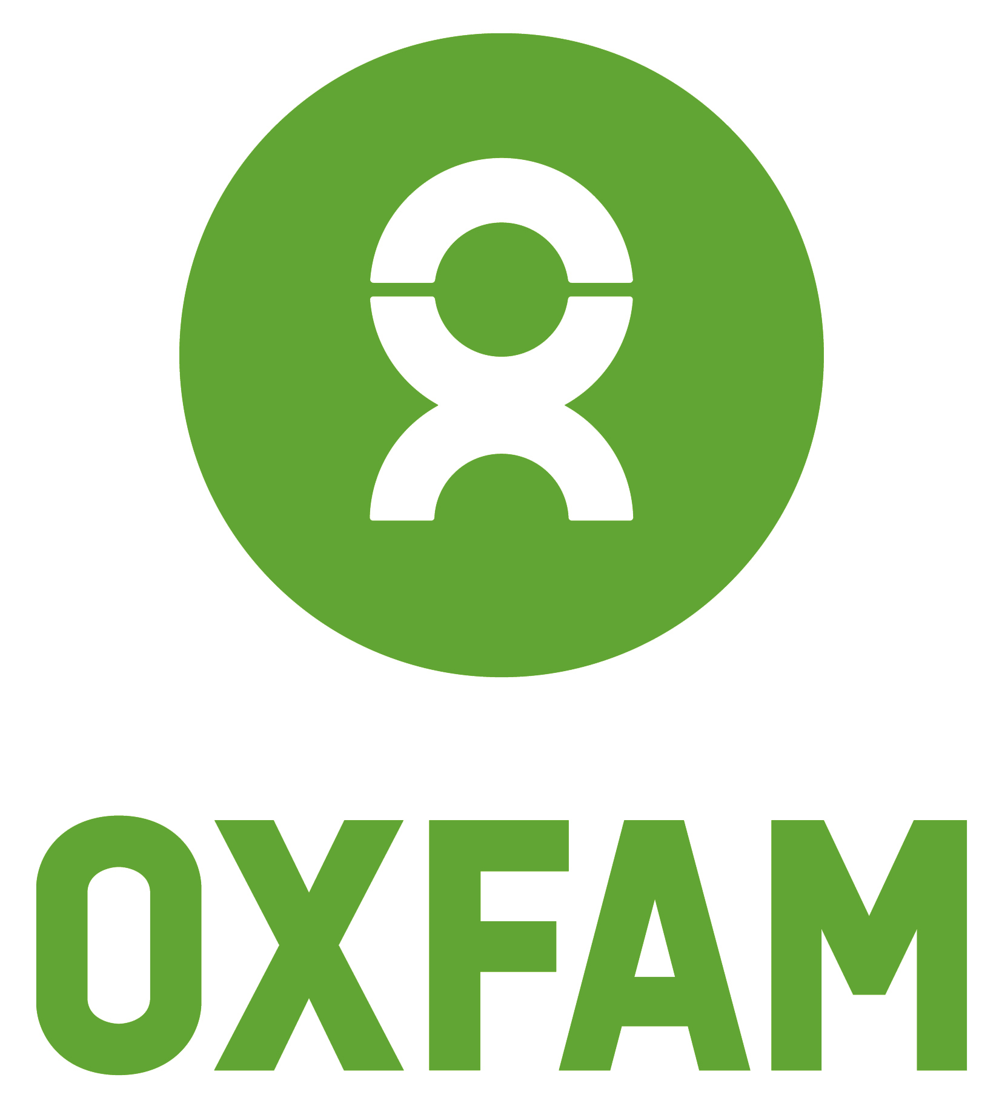
Purpose
Company name:
 |  |  |  | Supporting evidence
 |  |  | Click on the green area for the drop down box
 | Does the business have a social mission? |  | No

Power
 |  |  | This is a ‘conventional’ business. It is owned by one or more shareholders, either publicly or privately and is run in their interests. This may be to maximise profit or some other personal interest but it subject primarily to the motivations of the individual shareholders, or those appointed to act on their behalf. In the UK, for instance, this could be a PLC or a private limited company limited by shares.
 | Who has control and makes decisions? |  | Voting power is proportional to how much capital you provide

 |  |  | This business has shareholders who ultimately control the business. Ownership of these shares can be bought and sold, either on a public market like a stock exchange, or privately through negotiation with current shareholders.
Profit
 | What happens to profits? |  | They can be distributed to shareholders.

 |  |  | This is ‘conventional company’ where the Board may agree to distribute any retained profits to shareholders. There is no ‘asset lock’ and if the business is wound up, outstanding assets are paid to shareholders.

Equitable rating | 0 |  | To ensure it has an enduring positive social impact, the business could consider taking steps to enshrine its mission in perpetuity.
 |  | Potential actions | To ensure it is more inclusive, the business could consider taking steps to open up its governance to stakeholders more widely.
Percentage | 0% |  | To ensure it is making a positive contribution to addressing inequality, the business could consider how it distributes profits .

